Datailed Inquiry Information
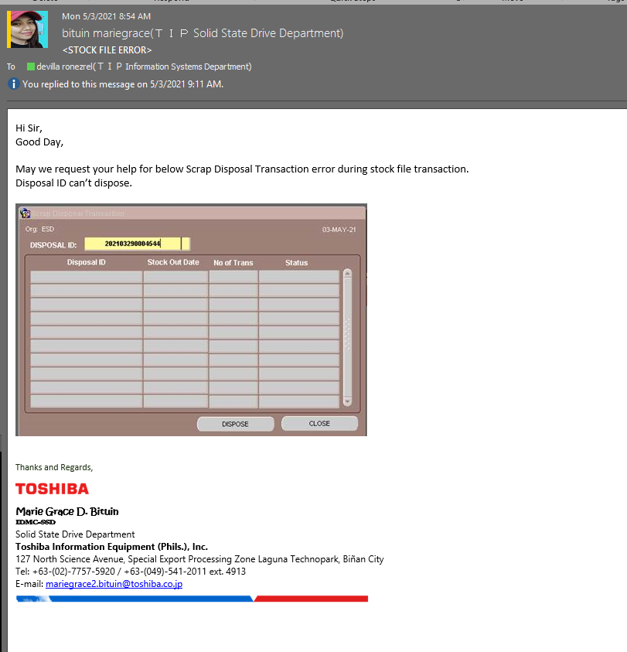
Detailed Inquiry Information

Actual Operation Evidence
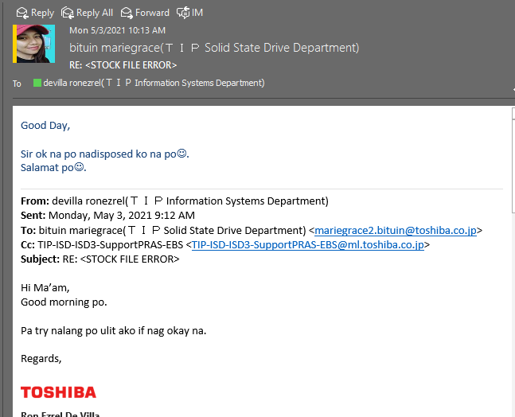
Actual Operation Evidence

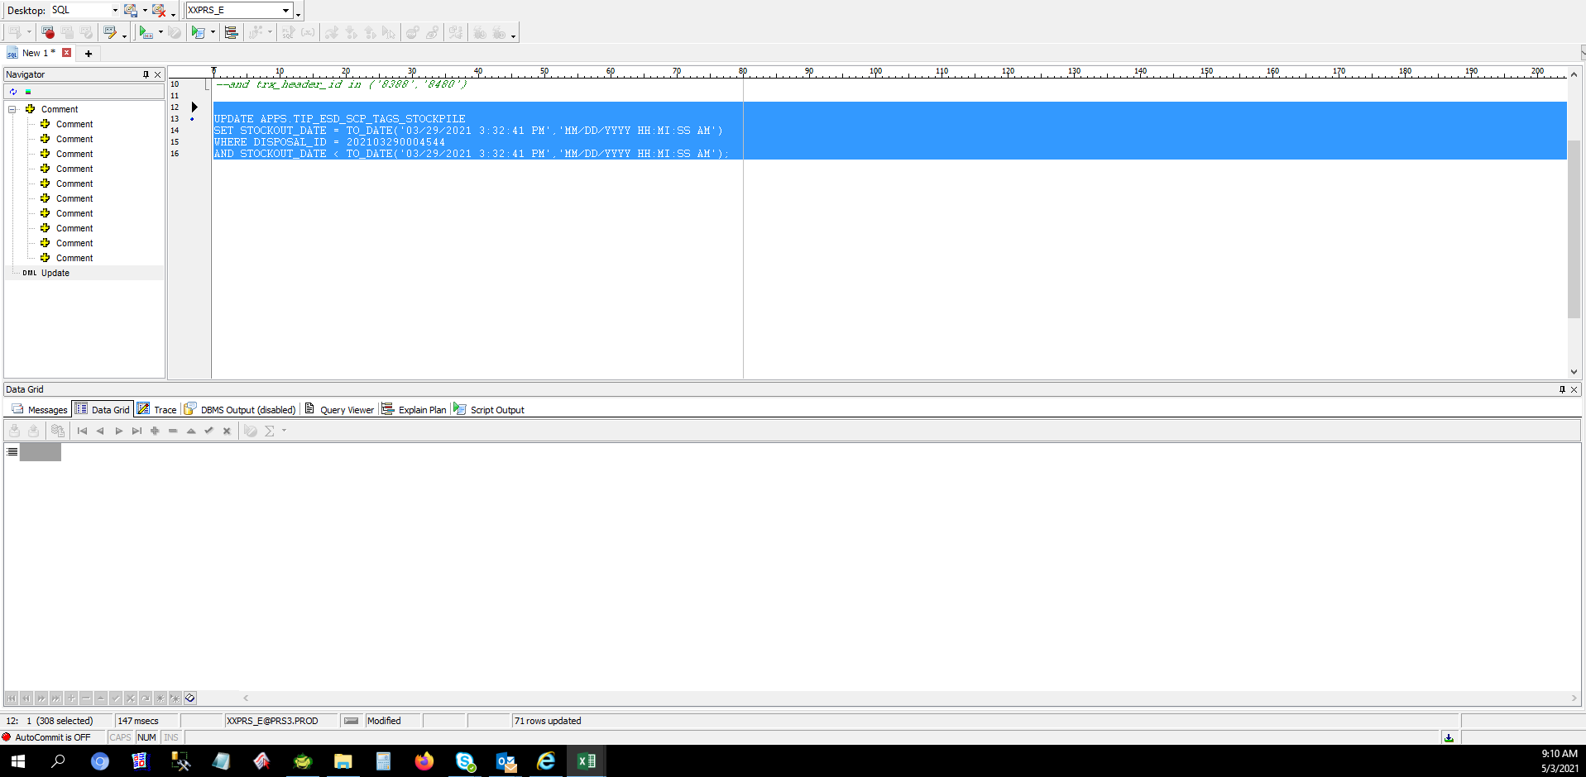

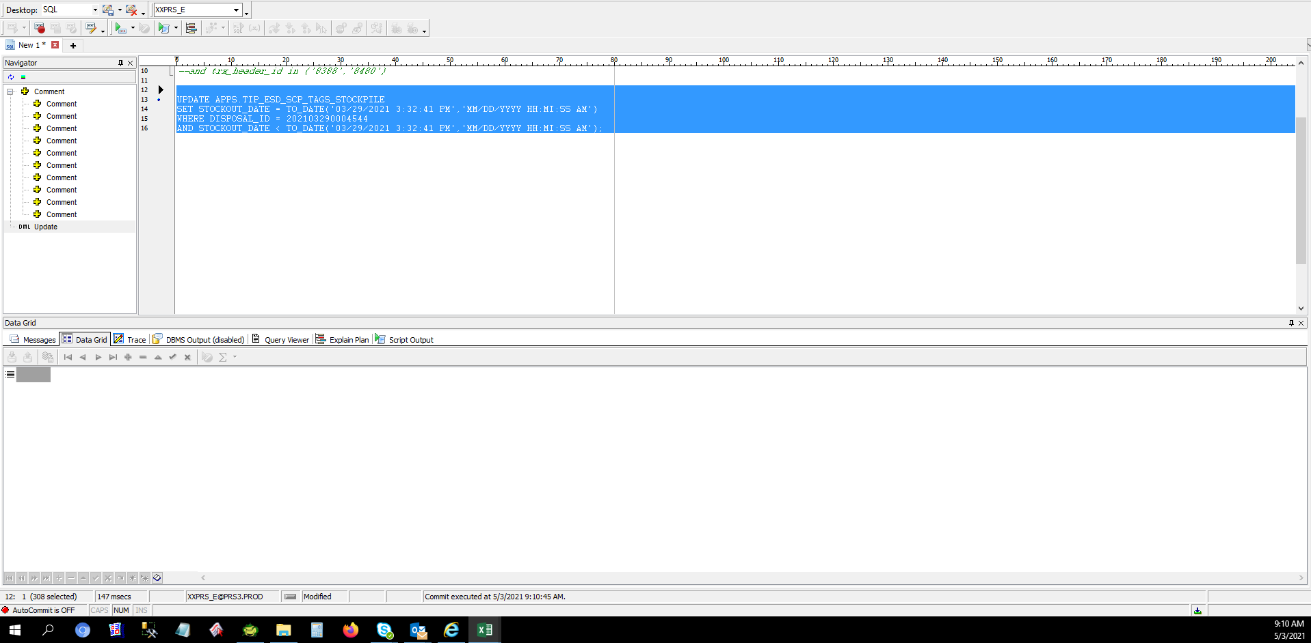

 | Check the data

 | DISPOSAL_ID | ORGANIZATION_ID | TAG_NUMBER | PARTS_CODE | DESCRIPTION | MODEL | DEFECT_TYPE | TRANS_DATE | TRANS_QTY | STOCKIN_BY | STOCKIN_DATE | STOCKOUT_BY | STOCKOUT_DATE | DISPOSE_BY | DISPOSE_DATE | DISPOSAL_FLAG | STATUS
 | 202103290004544 | 125 | T0000010844 | A5A004373020 | PCB/Exp | Phoenix-M5 | PCB Repair NG | 3/25/2021 | 14 | 2/1/29 | 3/29/2021 3:22:56 PM | 10625 | 3/29/2021 3:32:41 PM | 10625 | 5/3/2021 10:10:50 AM | Y | DISPOSAL COMPLETED
 | 202103290004544 | 125 | T0000010845 | A5A004373110 | PCB/Exp | Phoenix-M5 | PCB Repair NG | 3/25/2021 | 110 | 2/1/29 | 3/29/2021 3:22:56 PM | 10625 | 3/29/2021 3:32:41 PM | 10625 | 5/3/2021 10:10:50 AM | Y | DISPOSAL COMPLETED
 | 202103290004544 | 125 | T0000010846 | A5A004373210 | PCB/Exp | Phoenix-M5 | PCB Repair NG | 3/25/2021 | 183 | 2/1/29 | 3/29/2021 3:22:56 PM | 10625 | 3/29/2021 3:32:41 PM | 10625 | 5/3/2021 10:10:50 AM | Y | DISPOSAL COMPLETED
 | 202103290004544 | 125 | T0000010847 | A5A004373310 | PCB/Exp | Phoenix-M5 | PCB Repair NG | 3/25/2021 | 76 | 2/1/29 | 3/29/2021 3:22:56 PM | 10625 | 3/29/2021 3:32:41 PM | 10625 | 5/3/2021 10:10:50 AM | Y | DISPOSAL COMPLETED
 | 202103290004544 | 125 | T0000010848 | A5A004373410 | PCB/Exp | Phoenix-M5 | PCB Repair NG | 3/25/2021 | 276 | 2/1/29 | 3/29/2021 3:22:56 PM | 10625 | 3/29/2021 3:32:41 PM | 10625 | 5/3/2021 10:10:50 AM | Y | DISPOSAL COMPLETED
 | 202103290004544 | 125 | T0000010850 | A5A004385020 | PCB/Exp | Phoenix-M5 | PCB Repair NG | 3/25/2021 | 6 | 2/1/29 | 3/29/2021 3:22:56 PM | 10625 | 3/29/2021 3:32:41 PM | 10625 | 5/3/2021 10:10:50 AM | Y | DISPOSAL COMPLETED
 | 202103290004544 | 125 | T0000010851 | A5A004385110 | PCB/Exp | Phoenix-M5 | PCB Repair NG | 3/25/2021 | 670 | 2/1/29 | 3/29/2021 3:22:56 PM | 10625 | 3/29/2021 3:32:41 PM | 10625 | 5/3/2021 10:10:50 AM | Y | DISPOSAL COMPLETED
 | 202103290004544 | 125 | T0000010852 | A5A004385210 | PCB/Exp | Phoenix-M5 | PCB Repair NG | 3/25/2021 | 99 | 2/1/29 | 3/29/2021 3:22:56 PM | 10625 | 3/29/2021 3:32:41 PM | 10625 | 5/3/2021 10:10:50 AM | Y | DISPOSAL COMPLETED
 | 202103290004544 | 125 | T0000010853 | A5A004385410 | PCB/Exp | Phoenix-M5 | PCB Repair NG | 3/25/2021 | 69 | 2/1/29 | 3/29/2021 3:22:56 PM | 10625 | 3/29/2021 3:32:41 PM | 10625 | 5/3/2021 10:10:50 AM | Y | DISPOSAL COMPLETED
 | 202103290004544 | 125 | T0000010854 | A5A004385610 | PCB/Exp | Phoenix-M5 | PCB Repair NG | 3/25/2021 | 26 | 2/1/29 | 3/29/2021 3:22:56 PM | 10625 | 3/29/2021 3:32:41 PM | 10625 | 5/3/2021 10:10:50 AM | Y | DISPOSAL COMPLETED
 | 202103290004544 | 125 | T0000010856 | A5A0043860H0 | PCB/Exp | Condor-M5 | PCB Repair NG | 3/25/2021 | 1 | 2/1/29 | 3/29/2021 3:22:56 PM | 10625 | 3/29/2021 3:32:41 PM | 10625 | 5/3/2021 10:10:50 AM | Y | DISPOSAL COMPLETED
 | 202103290004544 | 125 | T0000010857 | A5A004386110 | PCB/Exp | Phoenix-M5 | PCB Repair NG | 3/25/2021 | 2 | 2/1/29 | 3/29/2021 3:22:56 PM | 10625 | 3/29/2021 3:32:41 PM | 10625 | 5/3/2021 10:10:50 AM | Y | DISPOSAL COMPLETED
 | 202103290004544 | 125 | T0000010858 | A5A0043861G0 | PCB/Exp | Condor-M5 | PCB Repair NG | 3/25/2021 | 1 | 2/1/29 | 3/29/2021 3:22:56 PM | 10625 | 3/29/2021 3:32:41 PM | 10625 | 5/3/2021 10:10:50 AM | Y | DISPOSAL COMPLETED
 | 202103290004544 | 125 | T0000010859 | A5A004386480 | PCB/Exp | Condor-D5 | PCB Repair NG | 3/25/2021 | 922 | 2/1/29 | 3/29/2021 3:22:56 PM | 10625 | 3/29/2021 3:32:41 PM | 10625 | 5/3/2021 10:10:50 AM | Y | DISPOSAL COMPLETED
 | 202103290004544 | 125 | T0000010860 | A5A0043864N0 | PCB/Exp | Condor-D5 | PCB Repair NG | 3/25/2021 | 341 | 2/1/29 | 3/29/2021 3:22:56 PM | 10625 | 3/29/2021 3:32:41 PM | 10625 | 5/3/2021 10:10:50 AM | Y | DISPOSAL COMPLETED
 | 202103290004544 | 125 | T0000010862 | A5A0043871G0 | PCB/Exp | Condor-M5 | PCB Repair NG | 3/25/2021 | 1 | 2/1/29 | 3/29/2021 3:22:56 PM | 10625 | 3/29/2021 3:32:41 PM | 10625 | 5/3/2021 10:10:50 AM | Y | DISPOSAL COMPLETED
 | 202103290004544 | 125 | T0000010863 | A5A004387490 | PCB/Exp | Condor-D5 | PCB Repair NG | 3/25/2021 | 3026 | 2/1/29 | 3/29/2021 3:22:56 PM | 10625 | 3/29/2021 3:32:41 PM | 10625 | 5/3/2021 10:10:50 AM | Y | DISPOSAL COMPLETED
 | 202103290004544 | 125 | T0000010864 | A5A004387510 | PCB/Exp | Condor-D5 | PCB Repair NG | 3/25/2021 | 101 | 2/1/29 | 3/29/2021 3:22:56 PM | 10625 | 3/29/2021 3:32:41 PM | 10625 | 5/3/2021 10:10:50 AM | Y | DISPOSAL COMPLETED
 | 202103290004544 | 125 | T0000010865 | A5A800016020 | PCB/Exp | Raven-M5 | PCB Repair NG | 3/25/2021 | 1 | 2/1/29 | 3/29/2021 3:22:56 PM | 10625 | 3/29/2021 3:32:41 PM | 10625 | 5/3/2021 10:10:50 AM | Y | DISPOSAL COMPLETED
 | 202103290004544 | 125 | T0000010866 | A5A800016210 | PCB/Exp | Raven-M5 | PCB Repair NG | 3/25/2021 | 5 | 2/1/29 | 3/29/2021 3:22:56 PM | 10625 | 3/29/2021 3:32:41 PM | 10625 | 5/3/2021 10:10:50 AM | Y | DISPOSAL COMPLETED
 | 202103290004544 | 125 | T0000010868 | A5A800016610 | PCB/Exp | Raven-M5 | PCB Repair NG | 3/25/2021 | 4 | 2/1/29 | 3/29/2021 3:22:56 PM | 10625 | 3/29/2021 3:32:41 PM | 10625 | 5/3/2021 10:10:50 AM | Y | DISPOSAL COMPLETED
 | 202103290004544 | 125 | T0000010869 | A5A800016810 | PCB/Exp | Raven-M5 | PCB Repair NG | 3/25/2021 | 3 | 2/1/29 | 3/29/2021 3:22:56 PM | 10625 | 3/29/2021 3:32:41 PM | 10625 | 5/3/2021 10:10:50 AM | Y | DISPOSAL COMPLETED
 | 202103290004544 | 125 | T0000010870 | A5A8000168A0 | PCB/Exp | Raven-M5 | PCB Repair NG | 3/25/2021 | 1 | 2/1/29 | 3/29/2021 3:22:56 PM | 10625 | 3/29/2021 3:32:41 PM | 10625 | 5/3/2021 10:10:50 AM | Y | DISPOSAL COMPLETED
 | 202103290004544 | 125 | T0000010871 | A5A800016910 | PCB/Exp | Raven-M5 | PCB Repair NG | 3/25/2021 | 44 | 2/1/29 | 3/29/2021 3:22:56 PM | 10625 | 3/29/2021 3:32:41 PM | 10625 | 5/3/2021 10:10:50 AM | Y | DISPOSAL COMPLETED
 | 202103290004544 | 125 | T0000010872 | A5A8000260J0 | PCB/Exp | Phoenix-M5 | PCB Repair NG | 3/25/2021 | 337 | 2/1/29 | 3/29/2021 3:22:56 PM | 10625 | 3/29/2021 3:32:41 PM | 10625 | 5/3/2021 10:10:50 AM | Y | DISPOSAL COMPLETED
 | 202103290004544 | 125 | T0000010874 | A5A8000262H0 | PCB/Exp | Phoenix-M5 | PCB Repair NG | 3/25/2021 | 1 | 2/1/29 | 3/29/2021 3:22:56 PM | 10625 | 3/29/2021 3:32:41 PM | 10625 | 5/3/2021 10:10:50 AM | Y | DISPOSAL COMPLETED
 | 202103290004544 | 125 | T0000010875 | A5A8000263H0 | PCB/Exp | Phoenix-M5 | PCB Repair NG | 3/25/2021 | 7 | 2/1/29 | 3/29/2021 3:22:56 PM | 10625 | 3/29/2021 3:32:41 PM | 10625 | 5/3/2021 10:10:50 AM | Y | DISPOSAL COMPLETED
 | 202103290004544 | 125 | T0000010876 | A5A8000272J0 | PCB/Exp | Phoenix-M5 | PCB Repair NG | 3/25/2021 | 5 | 2/1/29 | 3/29/2021 3:22:56 PM | 10625 | 3/29/2021 3:32:41 PM | 10625 | 5/3/2021 10:10:50 AM | Y | DISPOSAL COMPLETED
 | 202103290004544 | 125 | T0000010877 | A5A8000273J0 | PCB/Exp | Phoenix-M5 | PCB Repair NG | 3/25/2021 | 29 | 2/1/29 | 3/29/2021 3:22:56 PM | 10625 | 3/29/2021 3:32:41 PM | 10625 | 5/3/2021 10:10:50 AM | Y | DISPOSAL COMPLETED
 | 202103290004544 | 125 | T0000010878 | A5A800027810 | PCB/Exp | Phoenix-M5 | PCB Repair NG | 3/25/2021 | 165 | 2/1/29 | 3/29/2021 3:22:56 PM | 10625 | 3/29/2021 3:32:41 PM | 10625 | 5/3/2021 10:10:50 AM | Y | DISPOSAL COMPLETED
 | 202103290004544 | 125 | T0000010879 | A5A8000278F0 | PCB/Exp | Phoenix-M5 | PCB Repair NG | 3/25/2021 | 99 | 2/1/29 | 3/29/2021 3:22:56 PM | 10625 | 3/29/2021 3:32:41 PM | 10625 | 5/3/2021 10:10:50 AM | Y | DISPOSAL COMPLETED
 | 202103290004544 | 125 | T0000010881 | A5A8000294G0 | PCB/Exp | Phoenix-M5 | PCB Repair NG | 3/25/2021 | 35 | 2/1/29 | 3/29/2021 3:22:56 PM | 10625 | 3/29/2021 3:32:41 PM | 10625 | 5/3/2021 10:10:50 AM | Y | DISPOSAL COMPLETED
 | 202103290004544 | 125 | T0000010882 | A5A8000296G0 | PCB/Exp | Phoenix-M5 | PCB Repair NG | 3/25/2021 | 7 | 2/1/29 | 3/29/2021 3:22:56 PM | 10625 | 3/29/2021 3:32:41 PM | 10625 | 5/3/2021 10:10:50 AM | Y | DISPOSAL COMPLETED
 | 202103290004544 | 125 | T0000010883 | A5A9000021G0 | PCB/Exp | Condor-M5 | PCB Repair NG | 3/25/2021 | 3 | 2/1/29 | 3/29/2021 3:22:56 PM | 10625 | 3/29/2021 3:32:41 PM | 10625 | 5/3/2021 10:10:50 AM | Y | DISPOSAL COMPLETED
 | 202103290004544 | 125 | T0000010884 | A5A9000023G0 | PCB/Exp | Condor-M5 | PCB Repair NG | 3/25/2021 | 116 | 2/1/29 | 3/29/2021 3:22:56 PM | 10625 | 3/29/2021 3:32:41 PM | 10625 | 5/3/2021 10:10:50 AM | Y | DISPOSAL COMPLETED
 | 202103290004544 | 125 | T0000010885 | A5A9000024G0 | PCB/Exp | Condor-M5 | PCB Repair NG | 3/25/2021 | 1 | 2/1/29 | 3/29/2021 3:22:56 PM | 10625 | 3/29/2021 3:32:41 PM | 10625 | 5/3/2021 10:10:50 AM | Y | DISPOSAL COMPLETED
 | 202103290004544 | 125 | T0000010887 | A5A9000029F0 | PCB/Exp | Condor-D5 | PCB Repair NG | 3/25/2021 | 374 | 2/1/29 | 3/29/2021 3:22:56 PM | 10625 | 3/29/2021 3:32:41 PM | 10625 | 5/3/2021 10:10:50 AM | Y | DISPOSAL COMPLETED
 | 202103290004544 | 125 | T0000010888 | A5A9000140H0 | PCB/Exp | Condor-M5 AIC | PCB Repair NG | 3/25/2021 | 2 | 2/1/29 | 3/29/2021 3:22:56 PM | 10625 | 3/29/2021 3:32:41 PM | 10625 | 5/3/2021 10:10:50 AM | Y | DISPOSAL COMPLETED
 | 202103290004544 | 125 | T0000010889 | A5A9000141G0 | PCB/Exp | Condor-M5 AIC | PCB Repair NG | 3/25/2021 | 65 | 2/1/29 | 3/29/2021 3:22:56 PM | 10625 | 3/29/2021 3:32:41 PM | 10625 | 5/3/2021 10:10:50 AM | Y | DISPOSAL COMPLETED
 | 202103290004544 | 125 | T0000010890 | A5A9000143G0 | PCB/Exp | Condor-M5 AIC | PCB Repair NG | 3/25/2021 | 167 | 2/1/29 | 3/29/2021 3:22:56 PM | 10625 | 3/29/2021 3:32:41 PM | 10625 | 5/3/2021 10:10:50 AM | Y | DISPOSAL COMPLETED
 | 202103290004544 | 125 | T0000010891 | A5A9000145G0 | PCB/Exp | Condor-M5 AIC | PCB Repair NG | 3/25/2021 | 142 | 2/1/29 | 3/29/2021 3:22:56 PM | 10625 | 3/29/2021 3:32:41 PM | 10625 | 5/3/2021 10:10:50 AM | Y | DISPOSAL COMPLETED
 | 202103290004544 | 125 | T0000010904 | GM9003216020 | Screw/Exp | Phoenix-M2 | Damaged | 3/27/2021 | 65010 | 2/1/29 | 3/29/2021 3:22:56 PM | 10625 | 3/29/2021 3:32:41 PM | 10625 | 5/3/2021 10:10:50 AM | Y | DISPOSAL COMPLETED
 | 202103290004544 | 125 | T0000010905 | GM9011961010 | Label/Exp | Phoenix-M2 | Erased Character | 3/27/2021 | 26666 | 2/1/29 | 3/29/2021 3:22:56 PM | 10625 | 3/29/2021 3:32:41 PM | 10625 | 5/3/2021 10:10:50 AM | Y | DISPOSAL COMPLETED
 | 202103290004544 | 125 | T0000010906 | GM9029346010 | Label/Exp | Condor-M3 | Erased Character | 3/27/2021 | 4211 | 2/1/29 | 3/29/2021 3:22:56 PM | 10625 | 3/29/2021 3:32:41 PM | 10625 | 5/3/2021 10:10:50 AM | Y | DISPOSAL COMPLETED
 | 202103290004544 | 125 | T0000010907 | GM9029354010 | Label/Exp | Phoenix-M2 | Erased Character | 3/27/2021 | 1406 | 2/1/29 | 3/29/2021 3:22:56 PM | 10625 | 3/29/2021 3:32:41 PM | 10625 | 5/3/2021 10:10:50 AM | Y | DISPOSAL COMPLETED
 | 202103290004544 | 125 | T0000010908 | GM9029522010 | Label/Exp | Phoenix-M5 | Erased Character | 3/27/2021 | 12750 | 2/1/29 | 3/29/2021 3:22:56 PM | 10625 | 3/29/2021 3:32:41 PM | 10625 | 5/3/2021 10:10:50 AM | Y | DISPOSAL COMPLETED
 | 202103290004544 | 125 | T0000010910 | GM9030544020 | Label/Exp | Condor-M3 | Erased Character | 3/27/2021 | 420 | 2/1/29 | 3/29/2021 3:22:56 PM | 10625 | 3/29/2021 3:32:41 PM | 10625 | 5/3/2021 10:10:50 AM | Y | DISPOSAL COMPLETED
 | 202103290004544 | 125 | T0000010912 | GM9038429010 | TC Sheet/Exp | Phoenix-M3 | Damaged | 3/27/2021 | 1140 | 2/1/29 | 3/29/2021 3:22:56 PM | 10625 | 3/29/2021 3:32:41 PM | 10625 | 5/3/2021 10:10:50 AM | Y | DISPOSAL COMPLETED
 | 202103290004544 | 125 | T0000010914 | GM9039919010 | Conductivity Bag/Exp | Condor-M3 AIC | Damaged | 3/27/2021 | 23 | 2/1/29 | 3/29/2021 3:22:56 PM | 10625 | 3/29/2021 3:32:41 PM | 10625 | 5/3/2021 10:10:50 AM | Y | DISPOSAL COMPLETED
 | 202103290004544 | 125 | T0000010915 | GM9041501010 | Assy Plate/Exp | Phoenix-M5 | Scratch | 3/27/2021 | 37 | 2/1/29 | 3/29/2021 3:22:56 PM | 10625 | 3/29/2021 3:32:41 PM | 10625 | 5/3/2021 10:10:50 AM | Y | DISPOSAL COMPLETED
 | 202103290004544 | 125 | T0000010916 | GM9041506010 | Screw/Exp | Phoenix-M5 | Damaged | 3/27/2021 | 78624 | 2/1/29 | 3/29/2021 3:22:56 PM | 10625 | 3/29/2021 3:32:41 PM | 10625 | 5/3/2021 10:10:50 AM | Y | DISPOSAL COMPLETED
 | 202103290004544 | 125 | T0000010917 | GM9041515010 | TC Sheet/Exp | Phoenix-M5 | Damaged | 3/27/2021 | 6249 | 2/1/29 | 3/29/2021 3:22:56 PM | 10625 | 3/29/2021 3:32:41 PM | 10625 | 5/3/2021 10:10:50 AM | Y | DISPOSAL COMPLETED
 | 202103290004544 | 125 | T0000010918 | GM9042084010 | Assy Plate/Exp | Condor-M5 AIC | Damaged | 3/27/2021 | 10 | 2/1/29 | 3/29/2021 3:22:56 PM | 10625 | 3/29/2021 3:32:41 PM | 10625 | 5/3/2021 10:10:50 AM | Y | DISPOSAL COMPLETED
 | 202103290004544 | 125 | T0000010919 | GM9042086010 | Screw/Exp | Condor-M5 AIC | Damaged | 3/27/2021 | 2297 | 2/1/29 | 3/29/2021 3:22:56 PM | 10625 | 3/29/2021 3:32:41 PM | 10625 | 5/3/2021 10:10:50 AM | Y | DISPOSAL COMPLETED
 | 202103290004544 | 125 | T0000010920 | GM9M0000M010 | Assy Plate/Exp | Raven-M5 | Scratch | 3/27/2021 | 6 | 2/1/29 | 3/29/2021 3:22:56 PM | 10625 | 3/29/2021 3:32:41 PM | 10625 | 5/3/2021 10:10:50 AM | Y | DISPOSAL COMPLETED
 | 202103290004544 | 125 | T0000010921 | GM9M00017010 | Assy Plate/Exp | Condor-M6 | Dent | 3/27/2021 | 3 | 2/1/29 | 3/29/2021 3:22:56 PM | 10625 | 3/29/2021 3:32:41 PM | 10625 | 5/3/2021 10:10:50 AM | Y | DISPOSAL COMPLETED
 | 202103290004544 | 125 | T0000010922 | GM9M0001Q010 | Conductivity Bag/Exp | Condor-D5 | Damaged | 3/27/2021 | 4365 | 2/1/29 | 3/29/2021 3:22:56 PM | 10625 | 3/29/2021 3:32:41 PM | 10625 | 5/3/2021 10:10:50 AM | Y | DISPOSAL COMPLETED
 | 202103290004544 | 125 | T0000010923 | GM9M0002J010 | Assy Plate/Exp | Phoenix-M6 | Deformed | 3/27/2021 | 2 | 2/1/29 | 3/29/2021 3:22:56 PM | 10625 | 3/29/2021 3:32:41 PM | 10625 | 5/3/2021 10:10:50 AM | Y | DISPOSAL COMPLETED
 | 202103290004544 | 125 | T0000010924 | GM9M0002N010 | Box/Exp | Phoenix-M5 | Damaged | 3/27/2021 | 155 | 2/1/29 | 3/29/2021 3:22:56 PM | 10625 | 3/29/2021 3:32:41 PM | 10625 | 5/3/2021 10:10:50 AM | Y | DISPOSAL COMPLETED
 | 202103290004544 | 125 | T0000010925 | GM9M00030010 | Label/Exp | Phoenix-M6 | Erased Character | 3/27/2021 | 3845 | 2/1/29 | 3/29/2021 3:22:56 PM | 10625 | 3/29/2021 3:32:41 PM | 10625 | 5/3/2021 10:10:50 AM | Y | DISPOSAL COMPLETED
 | 202103290004544 | 125 | T0000010926 | GM9M00031010 | Label/Exp | Phoenix-M6 | Erased Character | 3/27/2021 | 2075 | 2/1/29 | 3/29/2021 3:22:56 PM | 10625 | 3/29/2021 3:32:41 PM | 10625 | 5/3/2021 10:10:50 AM | Y | DISPOSAL COMPLETED
 | 202103290004544 | 125 | T0000010913 | GM9039740010 | Screw/Exp | Condor-M3 AIC | Damaged | 3/27/2021 | 880 | 2/1/29 | 3/29/2021 3:22:56 PM | 10625 | 3/29/2021 3:32:41 PM | 10625 | 5/3/2021 10:10:50 AM | Y | DISPOSAL COMPLETED
 | 202103290004544 | 125 | T0000010909 | GM9029955010 | Label/Exp | Condor-M3 | Erased Character | 3/27/2021 | 312 | 2/1/29 | 3/29/2021 3:22:56 PM | 10625 | 3/29/2021 3:32:41 PM | 10625 | 5/3/2021 10:10:50 AM | Y | DISPOSAL COMPLETED
 | 202103290004544 | 125 | T0000010849 | A5A004373610 | PCB/Exp | Phoenix-M5 | PCB Repair NG | 3/25/2021 | 77 | 2/1/29 | 3/29/2021 3:22:56 PM | 10625 | 3/29/2021 3:32:41 PM | 10625 | 5/3/2021 10:10:50 AM | Y | DISPOSAL COMPLETED
 | 202103290004544 | 125 | T0000010855 | A5A004386020 | PCB/Exp | Phoenix-M5 | PCB Repair NG | 3/25/2021 | 20 | 2/1/29 | 3/29/2021 3:22:56 PM | 10625 | 3/29/2021 3:32:41 PM | 10625 | 5/3/2021 10:10:50 AM | Y | DISPOSAL COMPLETED
 | 202103290004544 | 125 | T0000010861 | A5A0043870H0 | PCB/Exp | Condor-M5 | PCB Repair NG | 3/25/2021 | 3 | 2/1/29 | 3/29/2021 3:22:56 PM | 10625 | 3/29/2021 3:32:41 PM | 10625 | 5/3/2021 10:10:50 AM | Y | DISPOSAL COMPLETED
 | 202103290004544 | 125 | T0000010867 | A5A800016410 | PCB/Exp | Raven-M5 | PCB Repair NG | 3/25/2021 | 6 | 2/1/29 | 3/29/2021 3:22:56 PM | 10625 | 3/29/2021 3:32:41 PM | 10625 | 5/3/2021 10:10:50 AM | Y | DISPOSAL COMPLETED
 | 202103290004544 | 125 | T0000010873 | A5A8000261H0 | PCB/Exp | Phoenix-M5 | PCB Repair NG | 3/25/2021 | 23 | 2/1/29 | 3/29/2021 3:22:56 PM | 10625 | 3/29/2021 3:32:41 PM | 10625 | 5/3/2021 10:10:50 AM | Y | DISPOSAL COMPLETED
 | 202103290004544 | 125 | T0000010880 | A5A8000291G0 | PCB/Exp | Phoenix-M5 | PCB Repair NG | 3/25/2021 | 376 | 2/1/29 | 3/29/2021 3:22:56 PM | 10625 | 3/29/2021 3:32:41 PM | 10625 | 5/3/2021 10:10:50 AM | Y | DISPOSAL COMPLETED
 | 202103290004544 | 125 | T0000010886 | A5A900002910 | PCB/Exp | Condor-D5 | PCB Repair NG | 3/25/2021 | 1161 | 2/1/29 | 3/29/2021 3:22:56 PM | 10625 | 3/29/2021 3:32:41 PM | 10625 | 5/3/2021 10:10:50 AM | Y | DISPOSAL COMPLETED
 | 202103290004544 | 125 | T0000010892 | A5A9000146G0 | PCB/Exp | Condor-M5 AIC | PCB Repair NG | 3/25/2021 | 63 | 2/1/29 | 3/29/2021 3:22:56 PM | 10625 | 3/29/2021 3:32:41 PM | 10625 | 5/3/2021 10:10:50 AM | Y | DISPOSAL COMPLETED
 | 202103290004544 | 125 | T0000010911 | GM9038428010 | TC Sheet/Exp | Phoenix-M3 | Damaged | 3/27/2021 | 205871 | 2/1/29 | 3/29/2021 3:22:56 PM | 10625 | 3/29/2021 3:32:41 PM | 10625 | 5/3/2021 10:10:50 AM | Y | DISPOSAL COMPLETED

